自動起動、自動ストップ
Auto shutdown and auto startup

 | Auto restart is done by using AWS's lambda service and cloudwatch service.
 | Auto stop and restart script is written in lambda function , and cloudwatch service manage the rule for calling the script.
 | Below is , how did I set the lambda ,and cloudwatch setting.

 | (reference for detail about Lamdba
 |  | https://dev.classmethod.jp/cloud/aws/simple-auto-start-stop-for-ec2/
 |  | https://docs.aws.amazon.com/ja_jp/lambda/latest/dg/tutorial-scheduled-events-schedule-expressions.html

1. Craete role and Policy

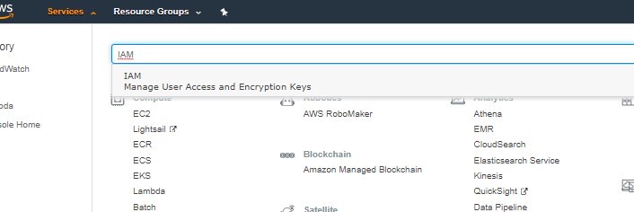

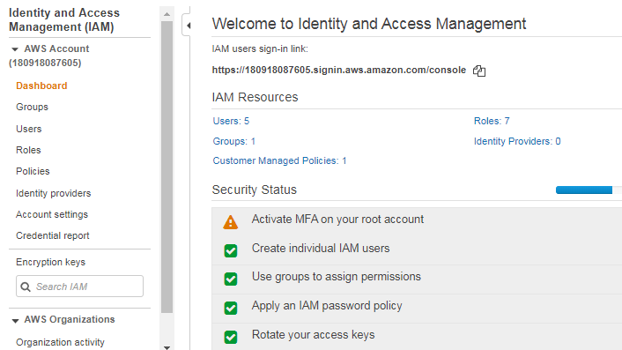

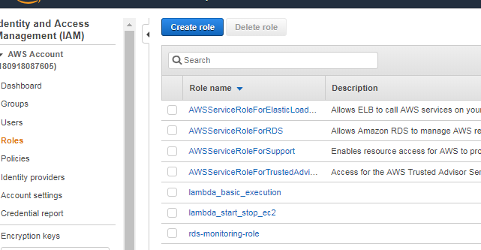

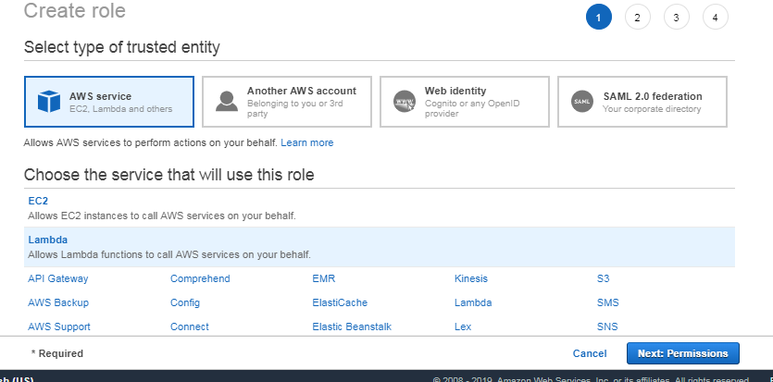

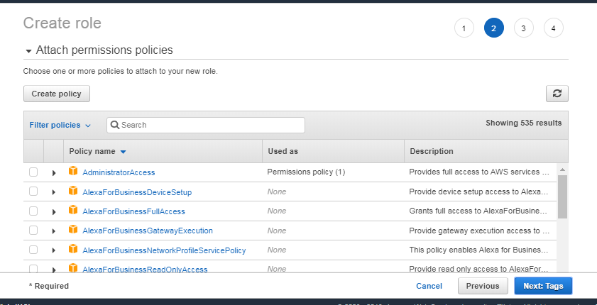

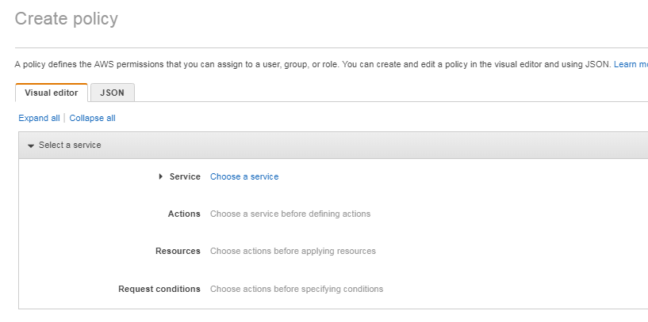

{
"Version": "2012-10-17",
"Statement": [
{
"Effect": "Allow",
"Action": [
"logs:CreateLogGroup",
"logs:CreateLogStream",
"logs:PutLogEvents"
],
"Resource": "arn:aws:logs:*:*:*"
},
{
"Effect": "Allow",
"Action": [
"ec2:Start*",
"ec2:Stop*",
"ec2:DescribeInstances",
"ec2:DescribeInstanceStatus"
],
"Resource": "*"
},
{
"Effect": "Allow",
"Action": [
"rds:StopDBInstance",
"rds:StartDBInstance",
"rds:DescribeDBInstances"
],
"Resource": "arn:aws:rds:*:*:db:*"
}
]
}

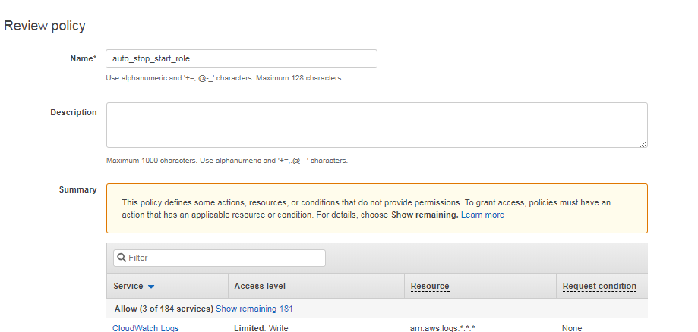
create policy button
Role name
(In this case , I put the name of [auto_stop_start_role])

I named [auto_stop_start_role]

 |  | Back to [Create role] form , and refresh

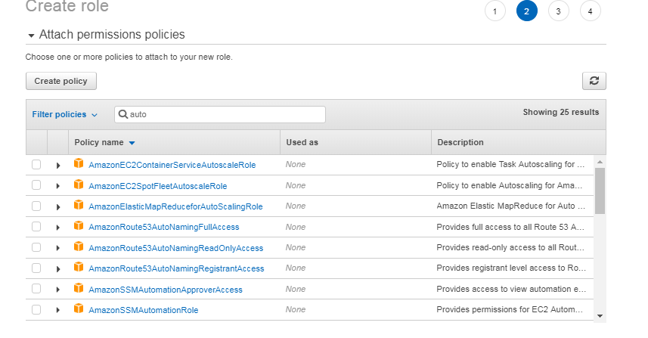

 |  |  | input the policy name , select it , and tap Next Tags
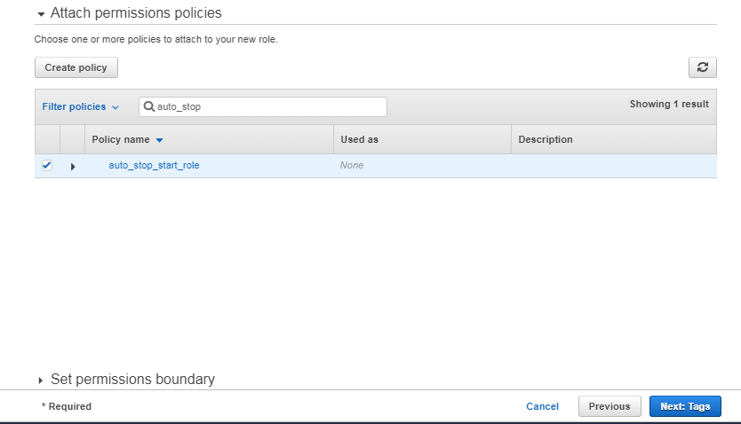

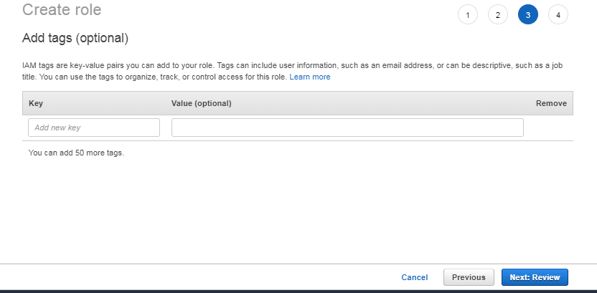

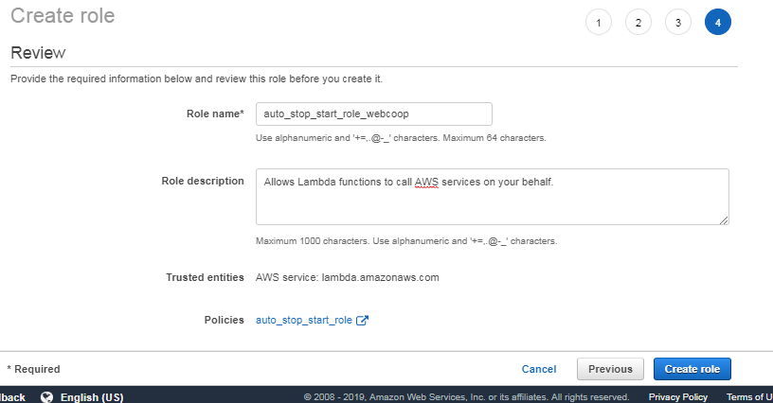

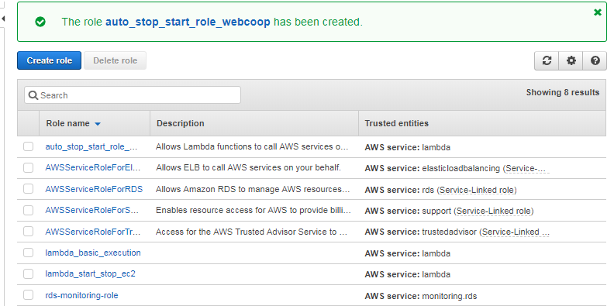

2. Create Lambda function

 | (1)Function for Auto start DB server , and Auto stop DB server
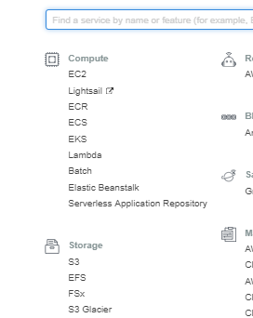

 |  |  |  |  | Select [Lambda]

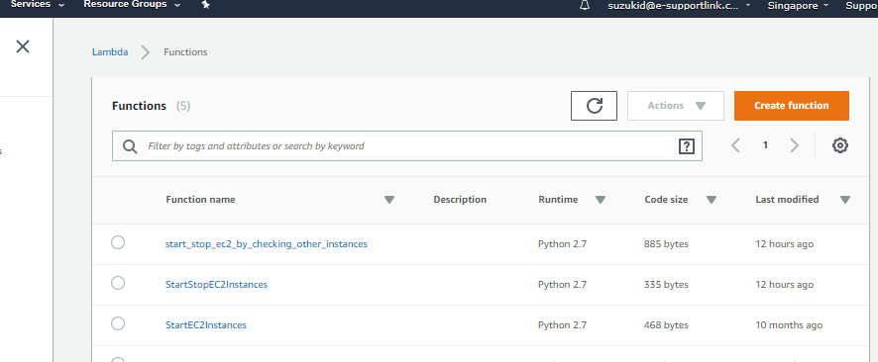

 |  |  |  |  |  |  | [Create function]

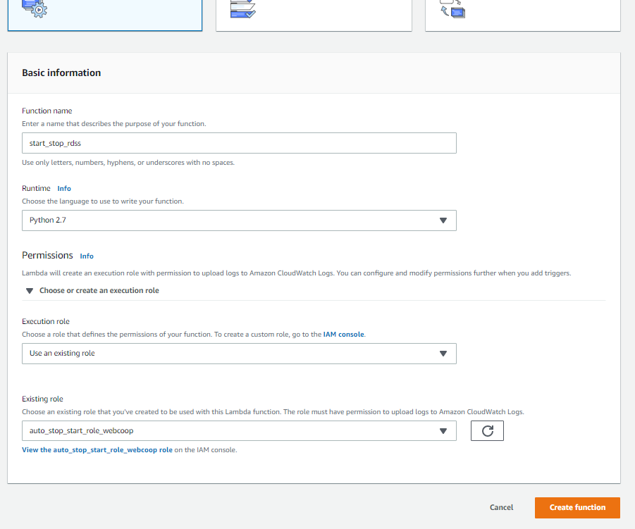

 |  |  |  |  |  |  |  | Put name of function ( in this case [start_stop_rds])

 |  |  |  |  |  |  |  | select python2.7

 |  |  |  |  |  |  |  | Use an existing role

 |  |  |  |  |  |  |  | select role [auto_stop_start_role_webcoop] made by #1.

 | function content

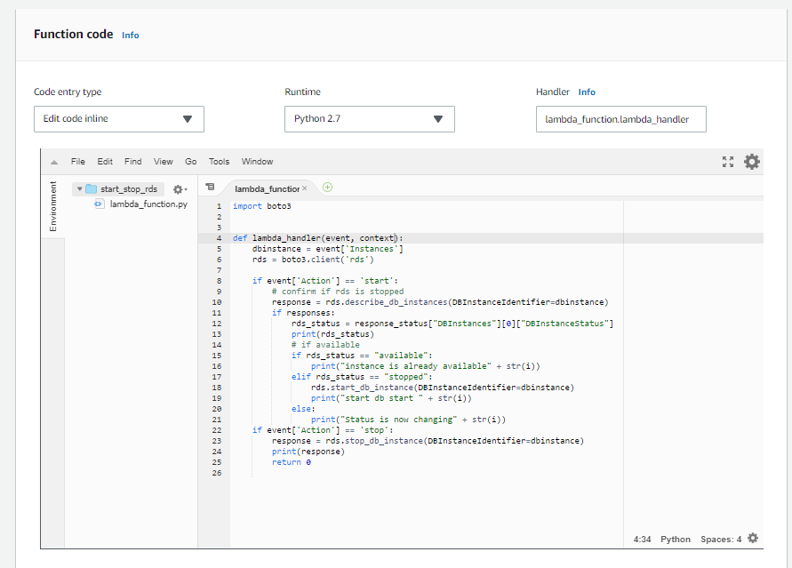

import boto3
def lambda_handler(event, context):
dbinstance = event['Instances']
rds = boto3.client('rds')
if event['Action'] == 'start':
# confirm if rds is stopped
response = rds.describe_db_instances(DBInstanceIdentifier=dbinstance)
if response:
rds_status = response["DBInstances"][0]["DBInstanceStatus"]
print(rds_status)
# if available
if rds_status == "available":
print("instance is already available" + dbinstance)
elif rds_status == "stopped":
rds.start_db_instance(DBInstanceIdentifier=dbinstance)
print("start db start " + dbinstance)
else:
print("Status is now changing" + dbinstance)
if event['Action'] == 'stop':
response = rds.stop_db_instance(DBInstanceIdentifier=dbinstance)
print(response)
return 0

 | (2)Function for EC2 Auto stop , and Restart

 |  | Set by same process as (1) , and set following content function.

 |  | In actual env, the function name is
 |  | [StartStopEC2Instances]

 |  | The content of lambda function is below

 |  |  | import boto3

 |  |  | def lambda_handler(event, context): |  |  | Memo : It fails if timeout is short , so set by 15 seconds as of now.
 |  |  | region = event['Region']
 |  |  | instances = event['Instances']
 |  |  | ec2 = boto3.client('ec2', region_name=region)
 |  |  | if event['Action'] == 'start':
 |  |  | ec2.start_instances(InstanceIds=instances)
 |  |  | print 'started your instances: ' + ", ".join(instances)
 |  |  | elif event['Action'] == 'stop':
 |  |  | ec2.stop_instances(InstanceIds=instances)
 |  |  | print 'stopped your instances: ' + ", ".join(instances)

 | (3) Created followin function because app server wants to be activated AFTER file server activation done.

 |  |  | import boto3

 |  |  | def lambda_handler(event, context):
 |  |  | region = event['Region']
 |  |  | instances = event['Instances']
 |  |  | check_ec2 = event['Check_EC2'] or "" |  |  | Memo : It fails if timeout is short , so set by 15 seconds as of now.
 |  |  | check_rds = event['Check_RDS'] or ""

 |  |  | client = boto3.client('ec2',region_name=region)
 |  |  | rds = boto3.client('rds')

 |  |  | if event['Action'] == 'start':
 |  |  | #check if itself is already running
 |  |  | print(instances)
 |  |  | response = client.describe_instances(InstanceIds=instances)
 |  |  | print(response)
 |  |  | response_state = response['Reservations'][0]['Instances'][0]['State']
 |  |  | print(response_state)
 |  |  | if response_state['Name'] != 'stopped':
 |  |  | print 'the server is not stopped'
 |  |  | return 0

 |  |  | #check if fileserver is running
 |  |  | if check_ec2:
 |  |  | response = client.describe_instances(InstanceIds=[check_ec2])
 |  |  | print(response)

 |  |  | InstanceState = response['Reservations'][0]['Instances'][0]['State']

 |  |  | if InstanceState["Name"] != "running":
 |  |  | print 'fileserver is not running'
 |  |  | return 0
 |  |  | else:
 |  |  | res2 = client.describe_instance_status(InstanceIds=[check_ec2])
 |  |  | print(res2)
 |  |  | if res2['InstanceStatuses'][0] == False:
 |  |  | print 'status check of fileserver is not completed'
 |  |  | return 0

 |  |  | if res2['InstanceStatuses'][0]['InstanceStatus']['Status'] != 'ok':
 |  |  | print 'status check of fileserver is not completed'
 |  |  | return 0
 |  |  | if res2['InstanceStatuses'][0]['SystemStatus']['Status'] != 'ok':
 |  |  | print 'status check of fileserver is not completed'
 |  |  | return 0

 |  |  | #check if rds is running
 |  |  | if check_rds:
 |  |  | response = rds.describe_db_instances(DBInstanceIdentifier=check_rds)
 |  |  | rds_status = response["DBInstances"][0]["DBInstanceStatus"]

 |  |  | if rds_status != "available":
 |  |  | print 'DB is not available yet'
 |  |  | return 0

 |  |  | client.start_instances(InstanceIds=instances)
 |  |  | print 'started your instances: ' + ", ".join(instances)
 |  |  | elif event['Action'] == 'stop':
 |  |  | client.stop_instances(InstanceIds=instances)
 |  |  | print 'stopping your instances: ' + ", ".join(instances)

3. Create rule for auto execute schedule

 | (1)rds

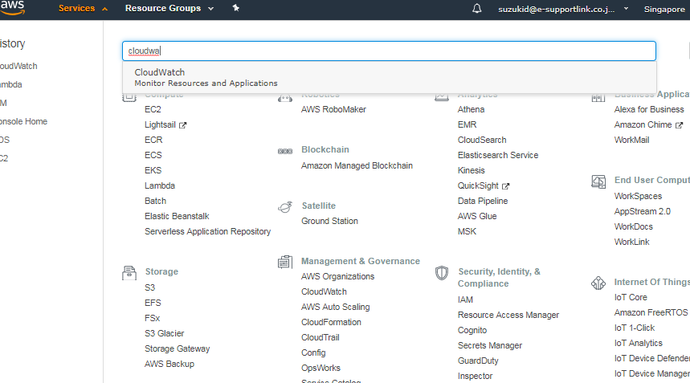

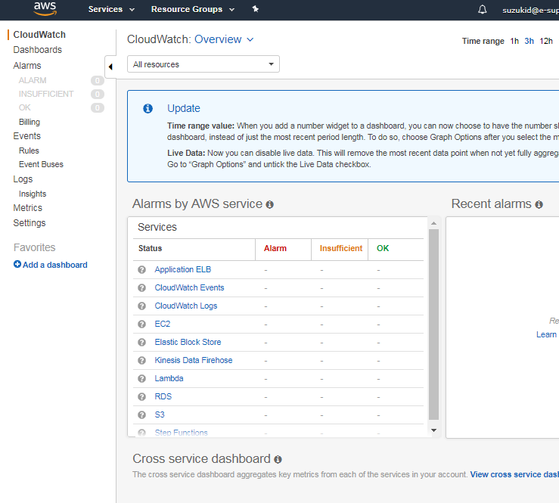

 | Current rule set in cloud watch

 |  | Start DB(rds) ：Start at 630 am on from Mon to Sat.
 |  | name : start_webcoop_rds
 |  | Schedule |  | 30 22 ? * SUN-FRI *
 |  | Target |  | {"Action": "start", "Instances":"mycoopdbrds"}

 |  | Start APP server ： Try to Start at 735 ,740 , 745 , 750 on from Mon to Sat
 |  | (As long as both DB server and file server is not started, app server is not started .(fail in function if either is not started)
 |  | name : start app server
 |  | Schedule |  | 35,40,45,50 23 ? * SUN-FRI *
 |  | Target |  | {"Action": "start", "Region": "ap-southeast-1", "Instances": ["i-0c7aba76f73b7f36a"],"Check_EC2":"i-0a8d8ae4588cee7b9","Check_RDS":"mycoopdbrds"}

 |  | Start File server : Start at 730 am on from Mon to Sat
 |  | name : start file server
 |  | Schedule |  | 30 23 ? * SUN-FRI *
 |  | Target |  | {"Action": "start", "Region": "ap-southeast-1", "Instances": ["i-0a8d8ae4588cee7b9"]}

 |  | Shutdown DB server ： Shudtown at 9 pm everday.
 |  | Schedule |  | 0 13 ? * * *
 |  | Target |  | {"Action": "start", "Instances":"mycoopdbrds"}

 |  | name : stop fileserver and app server
 |  | Schedule |  | 00 12 ? * * *
 |  | Target |  | {"Action": "stop", "Region": "ap-southeast-1", "Instances": ["i-0c7aba76f73b7f36a","i-0a8d8ae4588cee7b9"]}

